HR Information
Detail process

START

RECRUITMENT PLAN
- For Position?
- For Department?
- How many in need?
NEW POSITION REQUIRED

RECRUITMENT
TESTING
Failed
SAVE CV

RECRUIT NEW PERSON
Yes
Pass
Do I need to save this CV?

CONSIDER JOB ANALYSIS IS JOB DESCRIPTION
SET PROBATION
Set probation period

TRANSFER / ELIMINATE
No
EVALUATION
Failed

End Probation Evaluation
Do other department need this employee?
MOVE CURRENT EMP TO THE NEW POSITION
Pass
SET OFFICIAL
ORGANIZATION

- Employee ID / Alias
- Position
- Working History
- S/H Insurancance
NEW CONTRACT?
WORK INFO
Yes
LABOR CONTRACT
SALARY / BENEFIT
HR INFO

No
SKILL
REVIEWREV AND STRATEGIES AND REMUNERATION
APPRAISE PERFORMANCE
SET GOALS AND PERFORMANCE EXPECTATION

Yes
UNDERTABLE TRAINING NEEDS ANALYSIS
DESCRIPLINE REQUIRE?
SKILL ACHIEVEVED?
MONITOR PERFORMANCE
TRAINING REQUIRE?
No
 | REVIEWREV AND STRATEGIES AND REMUNERATION

Yes
Yes

No
TRAINING
PLAN AND CONDUCT INDIVIDUAL OR GROUP TRAINING
DISCRIPLINE

END

Organization
Company structure, unlimited level, authorization to smallest level,..
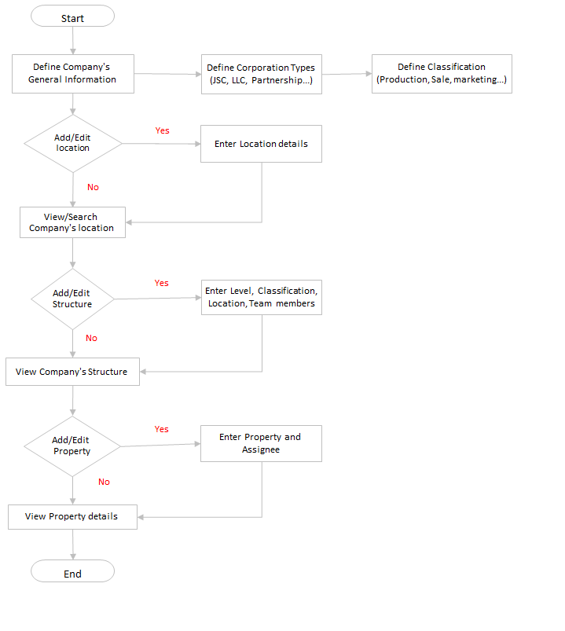
<== BACK
 | Organizational Module

 | Admin define the company's General Information (Common for all the branches)
 | Admin define the Corporation type and Classification in the organization
 | If User have permission to add/edit location, enter location details (Branch Name, Address, Tax Code, Corporation Type, Representative) Otherwise just search and view the locations
 | If User have permission to modify structure,enter department structure (level, classification, location and team members) Otherwise just view company's structure(Tree View)
 | If User have permission to modify property, enter property details and assignee Otherwise just search and view the property

Discipline
<== BACK

Mr.Dung
 | Ms.Hue
Violation Information Investigation
Evidence
Enter Violation Informations
Select Employees /By Department
Enough evidence to process ?
Violation Levels Configurations correspond Displine Decisions
Appreciate Violation Levels to Employee
Report
Report Daily, Weekly, Monthly, Yearly
System allows to make list by department.
Save Appreciation Results

Employee

Descripline description
Input type of description

Evaluation?

Yes
Evaluation

Get descripline type

Penalty
Declare the penalty for each descripline type
Add configuration for using other function (evaluation, salary, allowance,....)

Report

Labor contract
<== BACK
 | Main function |  | Config for batch/auto system | Configuration
START
START
START

In need to sign a contract with employee
Config for Batch Process
Config Labor Contract Items
- New employee need to sign contract? |  |  |  |  | Contract Kind: Probation, Season, 1-n Years
- Old contract will expired soon? |  |  |  |  | Contract Type: Labor Contract, Appendix, Training Contract, Fullwage
- Employee just increase salary or change position? |  |  |  |  | Option to config: Period, Profile for each contract kind such as: department, employee, insurance or not, payment or not

END
Deal contract with employee
Config for Salary Table

Input contract Info to system
 |  | Notice for contract renew/confirmation
Contract Duration, Date, Decide no, Number |  | Auto create next labor contract?
Salary, Insurance Salary,
END
Pospone or Terminate status, duration & reason
Official contract (for appendix only)
Signed by, signed at
Show data for only creator and user with higher permission
External payment, content, or planing for next labor contract
Confirm/Approve contract info in system

Able to notice to employee, via sms, email, push notification

END

Recruitment
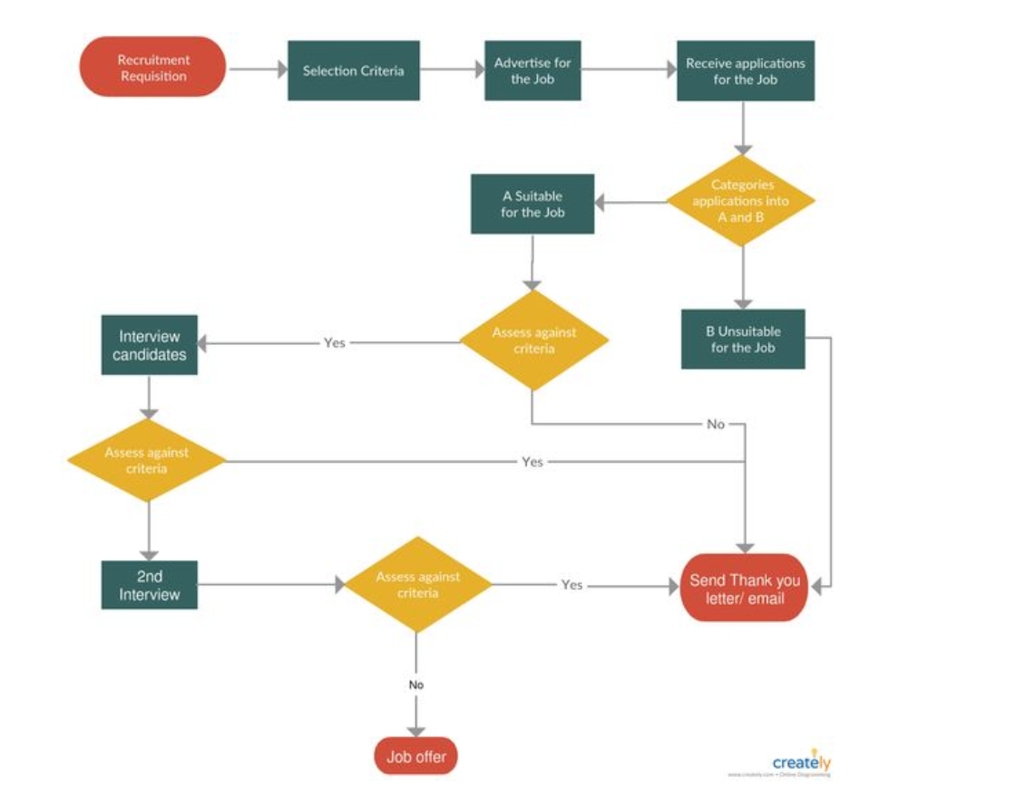
<== BACK

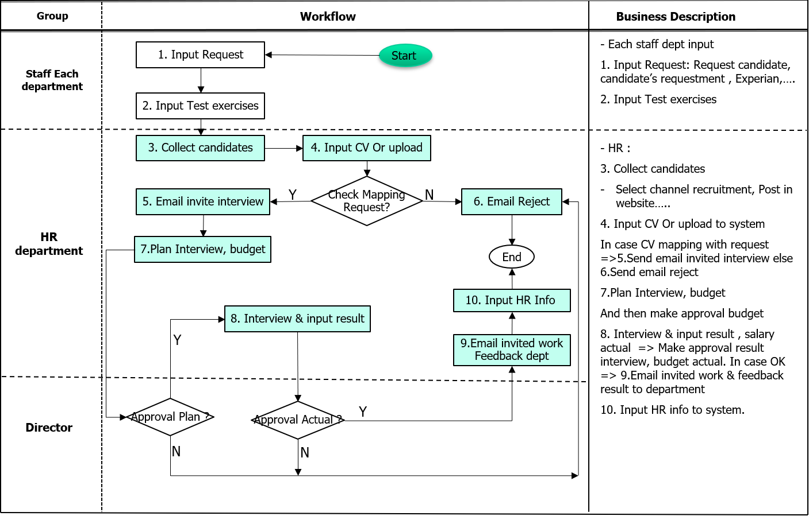

Refer

Official Order
<== BACK

START

Vender, customer,
outsourcing
Recruiment
Other Decisions

Employee Info
Official Order for employee

Official Order

Save History

No
Exists
Yes

Official Order input
END

Skill

<== BACK
START

Chiến lược: Từ góc độ chiến lược, quản lý kỹ năng là sự kết hợp giữa kiến ​​thức và quản lý nhân sự (HR). Mục đích là để xác định các kỹ năng khác nhau cần thiết và các yêu cầu năng lực tương ứng. Điều này phải được dựa trên trọng tâm chiến lược. Có thể thiết lập các ưu tiên trong thời gian tốt để thúc đẩy sự phát triển lâu dài mong muốn của lực lượng lao động.

Chiến thuật: Quản lý kỹ năng chiến thuật là một câu chuyện hoàn toàn khác. Trưởng nhóm phải cung cấp đúng số lượng nhân viên phù hợp cho những ngày cần thiết. Khi tham khảo ý kiến ​​của bộ phận nhân sự, họ phải chăm sóc đào tạo và quy nạp.
Skill Information
Employee Info
Hoạt động: Là một phần của quản lý nghề nghiệp của họ, các cá nhân được đào tạo và phát triển theo yêu cầu của đội của họ.

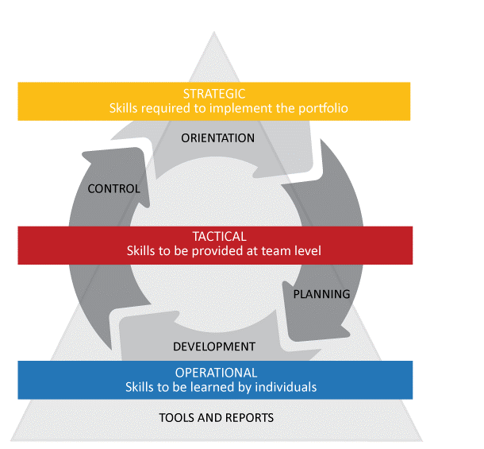


Exists
Question list
No
Allow Employee Skill

Yes
Training
Test Skill

Report

N
Pass
Yes

END

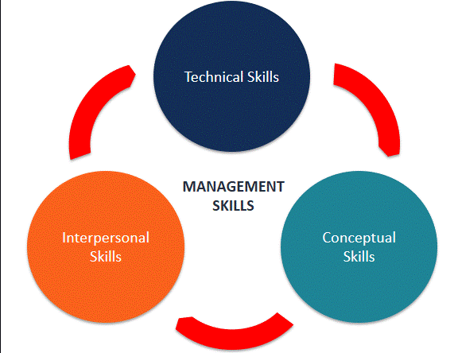
 | LOẠI KỸ NĂNG QUẢN LÝ
 | 1.KN KỸ THUẬT: QUÁ TRÌNH, KIẾN THỨC KỸ THUẬT, THÀNH THẠO. CÁC NHÀ QL SỬ DỤNG CÁC QUY TRÌNH, KỸ THUẬT & CÔNG CỤ CỦA 1 KHU VỰC CỤ THỂ
 | 2.KN CON NGƯỜI: LIÊN QUAN CON NGƯỜI, KHẢ NĂNG TƯƠNG TÁC HIỆU QUẢ VỚI CON NGƯỜI
 | 3.KN KHÁI NIỆM: THỰC HÀNH VỚI CÁC Ý TƯỞNG, HIỂU CÁC MỐI QUAN HỆ TRỪU TƯỢNG, PHÁT TRIỂN Ý TƯỞNG VÀ GIẢI QUYẾT VẤN ĐỀ 1 CÁCH SÁNG TẠO

Vender-Cust-Out
<== BACK

START

Vender/Cust info
Tách bảng (nhân viên,lương, công) hay không?

Department tree input
Exists
No
Yes

Vender/Cust Info input

Employee Info

Official Order
Time Attendance
SALARY / BENEFIT

REPORT
Stop Working
END

Training
<== BACK
Create Training Plan
Approval
Select Employees/By Departments
Check Courses To Training Plan
Exist?
Create Courses
No
Yes
Assign Courses To Training Plan
No
Yes
Trainning
Attendance
Enter Traing Result
Report
Report
Evaluation

Question list
<== BACK
START

New question
Question list Management
Admin
Define the question list for each purpose
Define the purpose using (evaluation, skill, training,…)
Configure question with purpose for template print
View all question with purpose using

Purpose
Question list
Templete
Print
Yes
Supervisor
View question with purpose using
View template question
Assign question template

Question info
No

Result upload

Exists
No
Yes
HR staff
Registry question information
Upload question result of employee
View list of question of employee assign
Question info input
Report
Print template and report

END

Time Sheet
START

Organization

Make work time

Make time shift
Employee
Holiday management

Make work shift

Absent?
Yes
No

Absent register
Over time?
Report
No
Daily work confirm

Annual leave management
Yes
END
Over Time

Report
Report

Formula TS item

Time sheet item

Leave management
<== BACK
Holiday - National Holiday, … (labor law)
Absence Register - Page of vacation registration for each employee? Then HR confirm?
Annual Leave - Annual leave, transfer leaves, off, remaining leaves… The employee can be checked by themselves
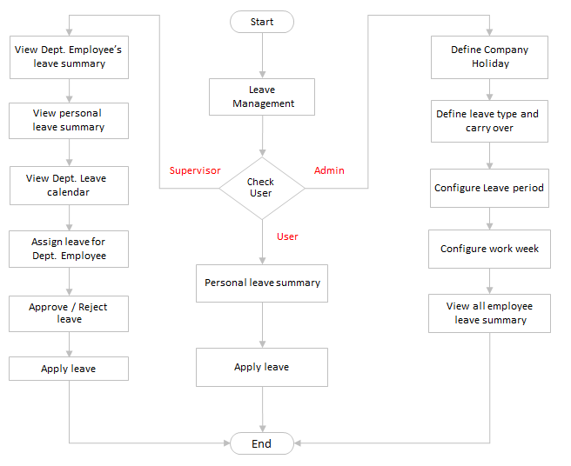

 | Leave Management
 | Admin
 | Define the company holiday for each location (repeats annually)
 | Define the leave type (Annual, casual, medical) for each location and departments and whether it is carry over or not
 | Configure leave period (From 1st Jan - Dec 31)
 | Configure work week ( Specify weekends and workdays)
 | View all employee leave summary

 | Supervisor
 | View employee's leave summary in that department
 | View personal leave summary
 | View Department leave calendar
 | Assign leave for Department Employee
 | Approve / Reject leave
 | Apply leave

 | HR staff
 | View personal leave summary
 | Apply leave

Daily work confirm
<== BACK
Config for time record device |  |  | Main function
START
START

Regiteration for Absence
Daily working time will be log by HR staff daily or auto
Configuration for Worktime
Configuration for TimeRecord Device
 | - Device name, device type, event will get to use in system
 | - IP Address, Department: All dept or production, gate, security… only
 | - Only get data for In, Out, or Both

Collect data in time record device and set log for working time

Registeration for Workshift
Configuration for Workshift profile

END
Work time
device data

Collect data absence register and set log for absence

Config for formular
START
Collect data configuration for Working Time
Configuration for formular

Config simply but detail steps about formular to calculate
Collect data Workshift register
(or auto detect workshift)
 |  | Such as: Time_in = min of today, Time_out = max of today
 |  | Worktime = Time_out - Time_in

Calculate working time follow fomular

END

END

Time work shift
<== BACK
Main Function | Configuration
START
START

Register workshift profile for employee or department
Input list of Workshift Items
 |  | - Shift name & symbol

Configuration detail for Workshift Items
 |  | - Time in, out, break between shift, total hour?
 |  | - Time begin/end to calculate night shift
 |  | - Time start/end of finger data to detect workshift
END

Workshift Profile Setting for configuration very much detail
 |  | - Create a new profile for configuring detail for employee postion…
 |  | - Config for Saturday/Sunday: halfday, fullday, full OT, off
 |  | - Config for Late and Soon, max time allowed?
 |  | - Config for Overtime when finish workshift: break time, ot from/to, min ot time, round ot time, need register or auto?
 |  | - Config for auto detect workshift

Workshift Profile Group
 |  | - allow to create a profile, include 1 or more workshift inside and allow to register by profile with option to repeat every week, 2 weeks…
 |  | - able to apply for employee work 2 shifts in a day if company have same request
 |  | - Create a new profile for configuring detail for department, employee

END

Formula TS Item
<== BACK

Exist?
No
Yes
Prepare Configuration Time Sheet
Choose Time Sheet Item to Configurate
Create new Time Sheet Item.
Call Function in Time Sheet Item Management
Choose Fomular for Time Sheet Item
Exist?
Define Fomular for this Time Sheet Item
No
Mapping The Time Sheet Item to Fomular.
Yes
Mapping Time Sheet Item with Fomular to ensure independence in Configuration

OT Application
<== BACK

Approval
No
Yes
Prepares OT Request
Click OT Registered Function
Allow to register employee by department or upload from excel file
OT Report
+ Monthly OT Report
+ Weekly OT Report
+ Daily OT Report
Select Employees/ By Department
Enter OT Registered Informations
Call OT Function .
OverTime

OverTime
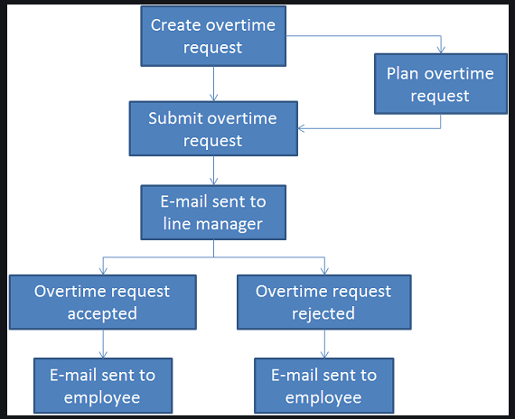

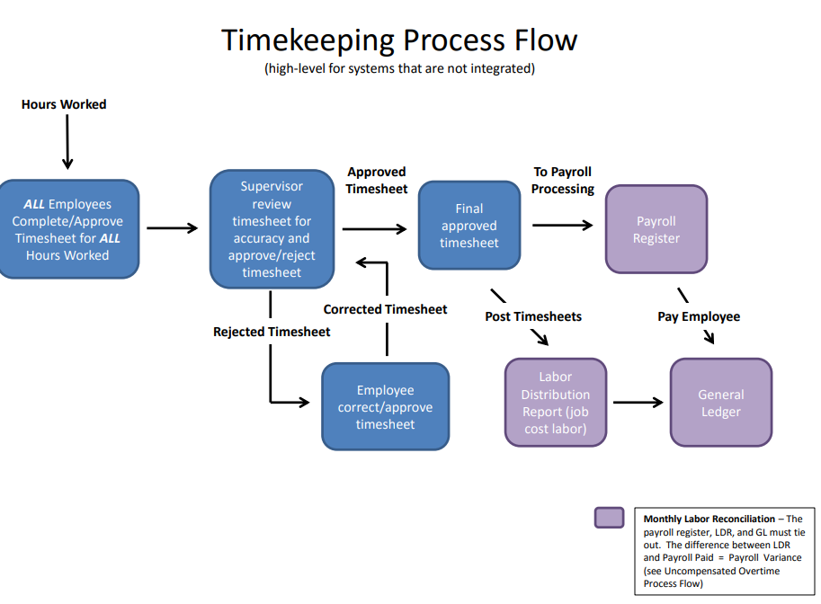

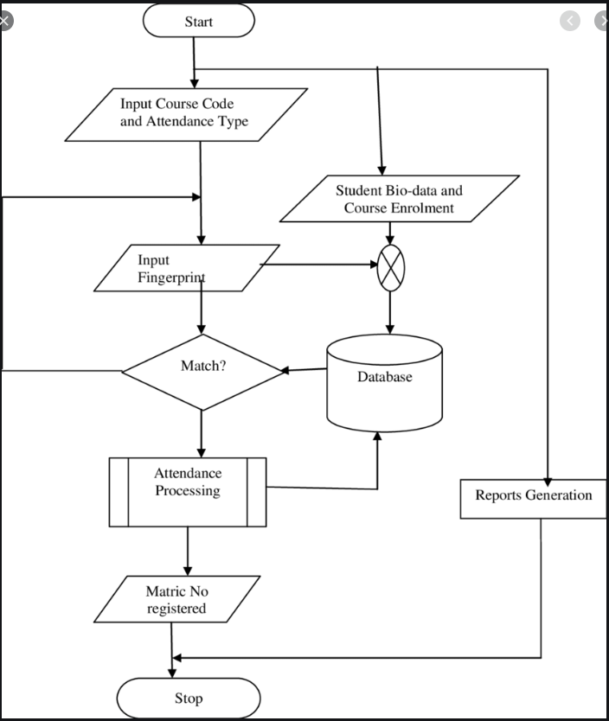

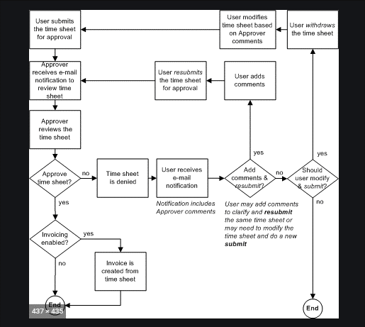
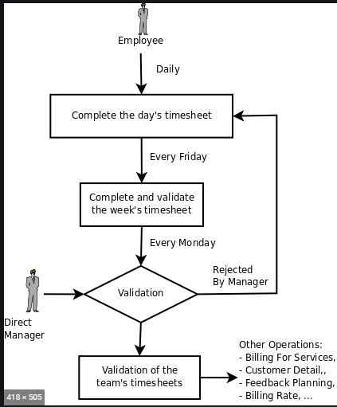

START
<== BACK

Create over time request
Plan Over time request

Over time configuation
Over time
Admin
Define over time plan
Define kind of over time with rate (150,200,….)
Configure over time (from time to time with rate…)
Auto
View all employee over time with period
No

Yes
Caculator Overtime
Over time Confirm
Supervisor
View employee's over time summary or detail in that department
View personal over time with period
Over time application
View Department over time
Approve / Reject over time

Confirmed?
Yes
Report
HR staff
View over time detial
Registry over time application
No
Check OT data with finger data
END
Apply over time

TimeSheet Item
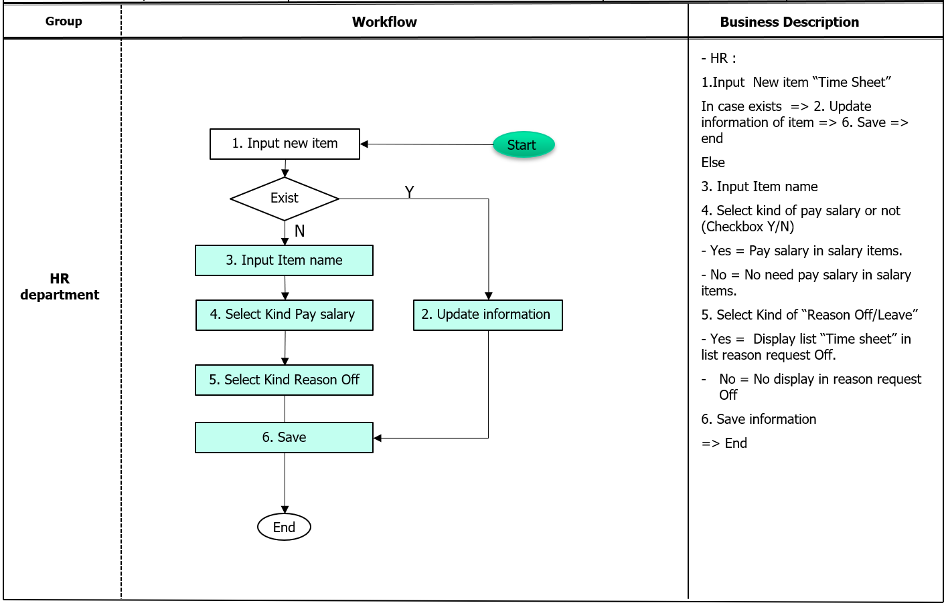
<== BACK

Work Time
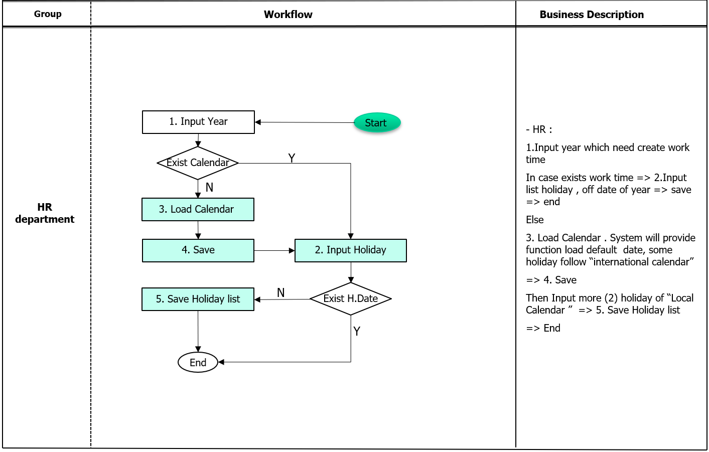
<== BACK

SALARY-BONUS
START

Payroll Cycle

All personal info correct
No
Yes

Timesheet checking
- TIme attendance detial and total
- Over time data compare

update correct personal info
Review & approve as needed
No
Contract employee who didn't report hours
- Check contract info, dependent person,....
All employee report?
Review completeness

Yes
Salary table
Timesheet closes
- TIme attendance closes
- Over time closes

Salary/Bonus item
- Basic salary, allowance,....
Basic salary info
Calculator
Advance payment

salary
Upload payment data
Bonus
Salary configuration

Allowance
Bonus configuration

Calculator Bonus
Calculator Salary

Report
Report

END

Salary Bonus Item
<== BACK
START

In need to modify a Salary/Bonus Item

Check exists
Create new Item
No

 | Yes
Set condition for the item
 |  | - Condition value by Department / Duration / Employee / Month or Days / Job or Position…
 |  | - Condition setting: Range condition From - To / Rate or Amount

Set fomular and using for the item
 |  | - Payment or Deduct
 |  | - Uploading or not / Display or not / Editable in salary report or not

END

Salary Bonus calculator
START
<== BACK

List employee avaiable to calculate salary/bonus this time

Check
- If no one listed / Or Salary closed / Or Daily Working Data's not confirmed / Or no Contract duration avaiable

Init/Collect data setting for calculating

Set Info of Labor Contracts / Allowance for each employee
Set info of Daily Working Time for each contract info
Calculate Working Day salary and OT Salary
Calculate Actual Salary

Calculate Actual amount of Allowance and Benefit
Calculate Payment and Deduct
Calculate Gross Salary

Calculate Insurance Amount and all Fees by Employee/Company
Calculate Taxable and Personal Income Tax
Adjust Benefit or Advance salary at final step of calculating
Calculate Net Income

Save Data
Review and Adjust manual amount if needed in salary Report
END

Salary table
<== BACK
- Create table cinfiguration basic salary (position, personal,..)
- create table system for basic salary, basic allowance by item salary of each employee.
START

Establish overall pay range
Overal pay range
Determine a company minimum and a company maximum pay. The minimum will be for the first and lowest grade and the maximum will be for the last and highest grade
A pay range will generally spread +/- 15-20% from the midpoint, but any range the employer feels is appropriate is acceptable, and ranges may be different for different grades.
For example, if your lowest paid position is an administrative assistant and you wish to pay at market, and salary survey data for that position shows an average salary of $25,000, a 15% spread for that job would be $21,250 (min), $25,000 (midpoint) and $28,750 (max), making $21,250 your overall minimum salary

Establish number of grades
Number of grades
the number of pay grades will depend on the size of your organization and the difference between the highest paid and lowest paid jobs.
Range per grade
Establish a range per grade
Set a minimum and maximum for each grade. The maximum of one grade may overlap the minimum of another and vice versa. A common spread is +/- 15-20%, but it can be set at whatever the employer feels is acceptable
Grade chart
Using the sum of the minimum and the maximum, calculate the midpoint by simply dividing that sum by two ([Max + Min] / 2 = Midpoint).
Review and amend
Version salary table
Determine how often the pay grade will be reviewed and how often adjustments will be made. Annual salary and salary structure increase projections can be used to adjust as needed. Pay grades are typically reviewed every one to three years.

Create Version salary table
- Period to apply version (month or day???)
- Group apply version ??
Exists?
Over time
Admin
Create salary version
Yes
Create range group
No
View grade chart

Create range group (position, department,...)
Create pay grade chart
Supervisor
Establish overall pay range
Establish number of grades
Review and amend
Establish a range per grade
- Step No, step level, salary
View grade chart
Print report

Report
END
HR staff
Create pay grade chart
Review and amend
Print report

Advance Payment
<== BACK
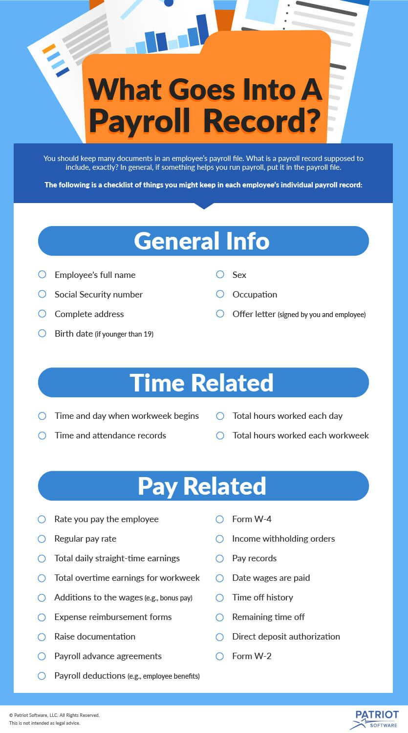
START
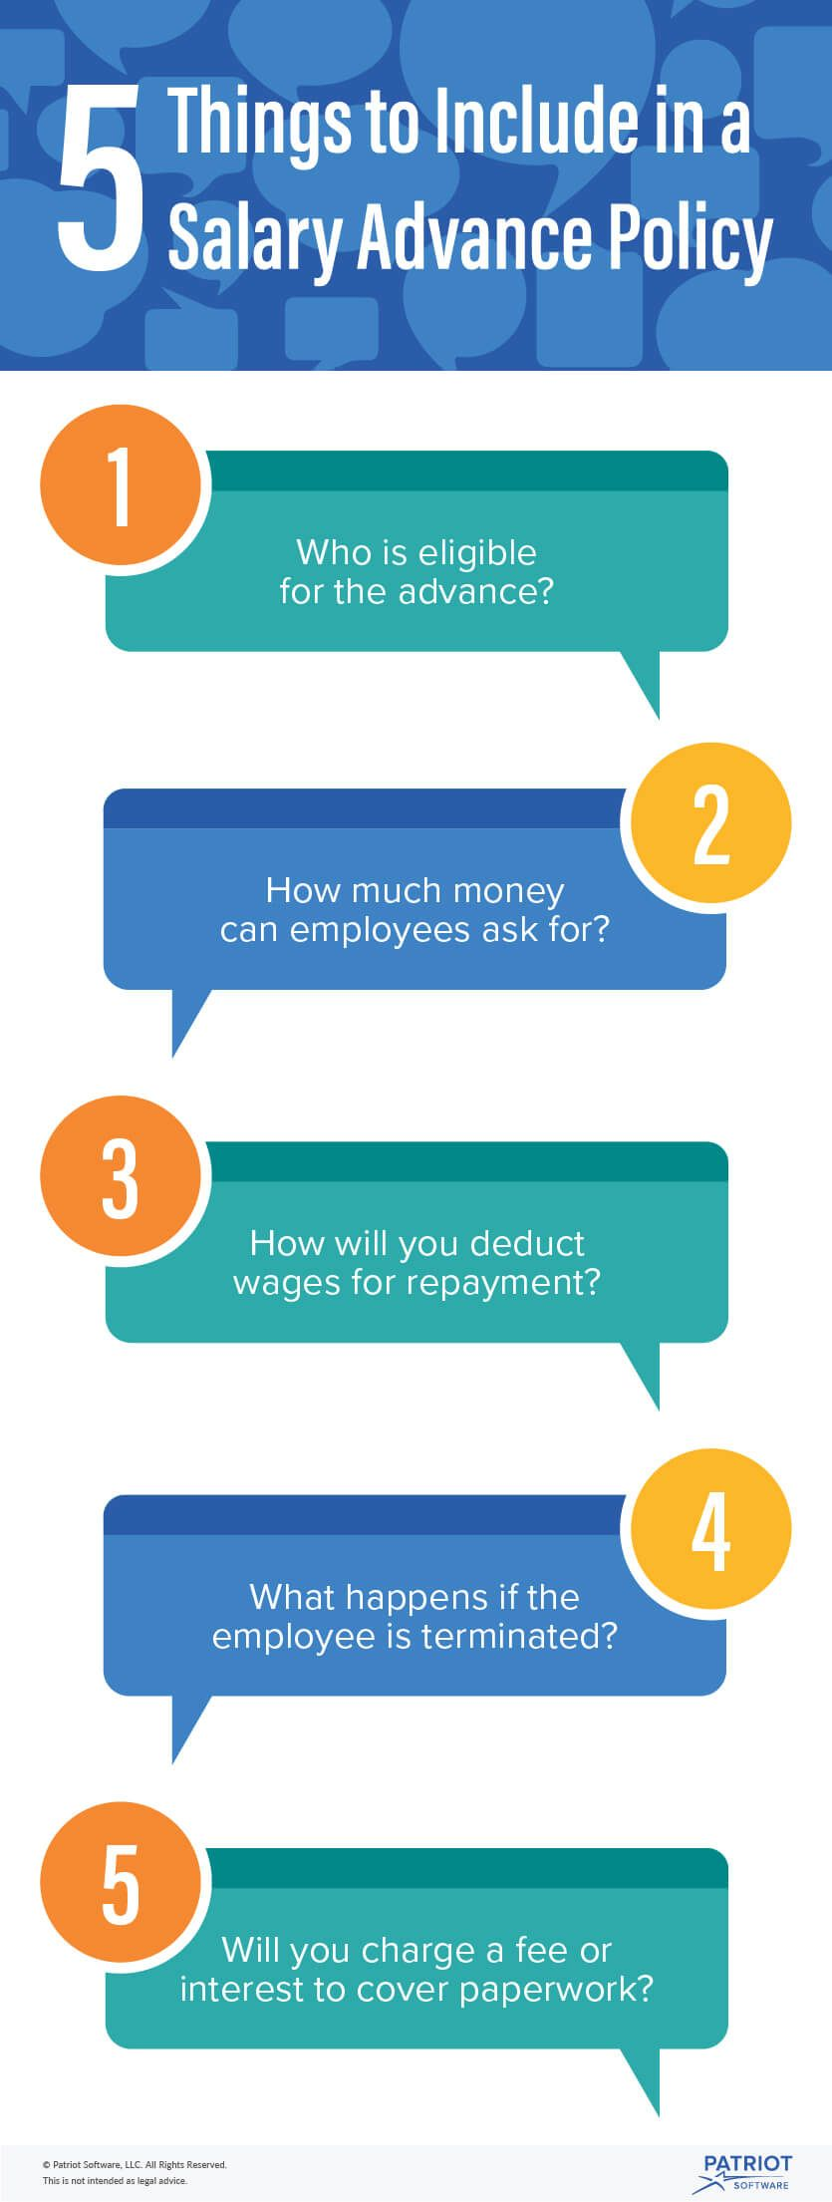
The monthly salary calculation varies by employee type:

Defined the policy
Monthly employees: 40 percent of minimum wage.
Hourly employees: 40 percent of a 220-hour month at the hourly minimum wage.
Commission Employees: 40 percent of average commissions.

The system uses the following information when processing salary advances:
Employee's agreement
- Agree sign: condition pay advance, deduct policy, contraint terminated
Employee HR information: Name, registration, hire date.
Time management information: Absences, vacations.

Registry kind of advance
- Period apply
- Time and attendance
- Leave condition ....
According to the Fair Labor Standards Act (FLSA)
The salary advance agreement => policy create and employee's agreeement => signatures
Agreement : how much money, deduct policy, contraint terminated
Advance item
Condition of each advance

Configuration advance item formular
- Using salary formular for current working time (advance amount)
Exists?
 | Advance payment
 | Admin
 | Define advance type
Yes
 | Define condition for policy
No
 | Configuration advance item formular
Employee info
 | View all employee have eligible to advance
Advance calculator
 | Supervisor
 | View employee's pay advance summary or detail in that department
 | View list of result calculator
Advance payment
 | Pay / Reject advance payment

Report
 | HR staff
 | View condition advance detial
 | Check list of eligible for the advance
 | Calculator advance payment
 | View result report
END

Bonus Configuration
<== BACK
START
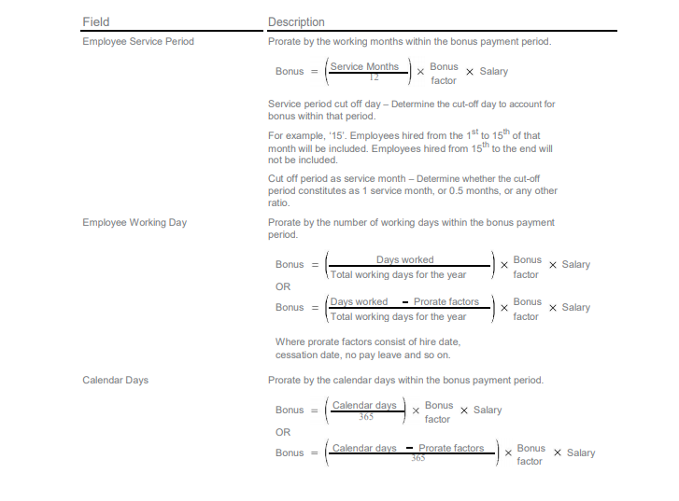

Bonus policy

- List of kind bonus follow policy company (labor international,13th salary,...)
Bonus kind
Advance payment
Admin
Registry bonus kind
- Date join
- Time attendance
- Work kind
- Job code
- Department
....
Registry bonus condition
Configuration bonus item
Bonus condition
View all employee have eligible to bonus
View bonus payment & report

- Times calculator PIT (Bonus, include salary...)
Bonus item
PIT configuration
Supervisor
View all employee have eligible to bonus
View list of result calculator
Pay / Reject advance payment
Configuration Bonus item
View report

Employee
Bonus payment
HR staff
View condition bonus detial list of employee
Check list of eligible for the bonus
Calculator Bonus
Calculator bonus
View result report

Pay?
Yes
Report
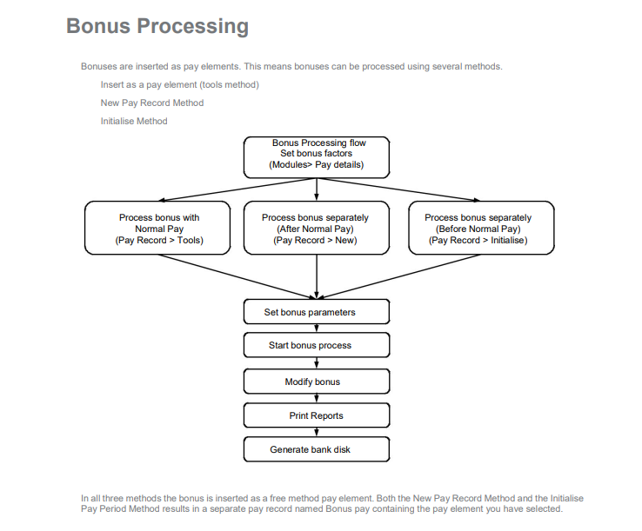

No
END

Salary configuration
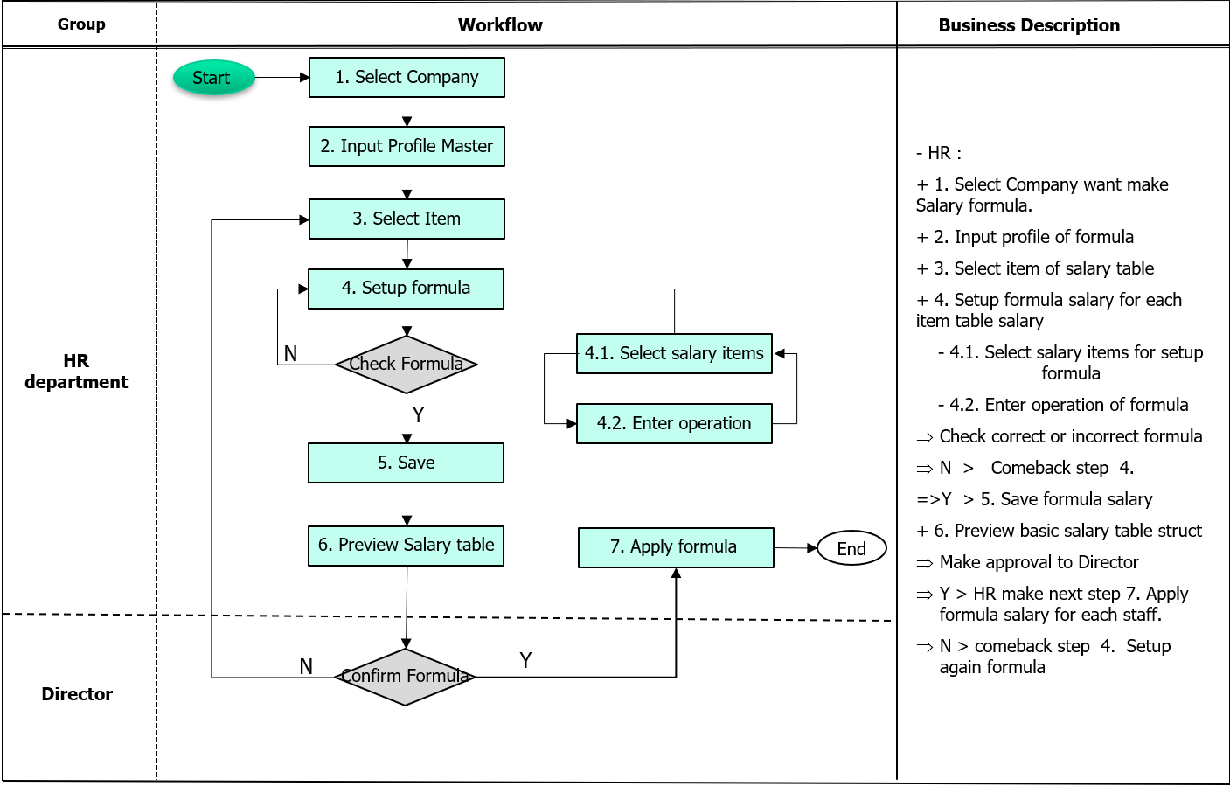
<== BACK

Upload Payment Data
Salary/ Bonus | Upload payment data
<== BACK

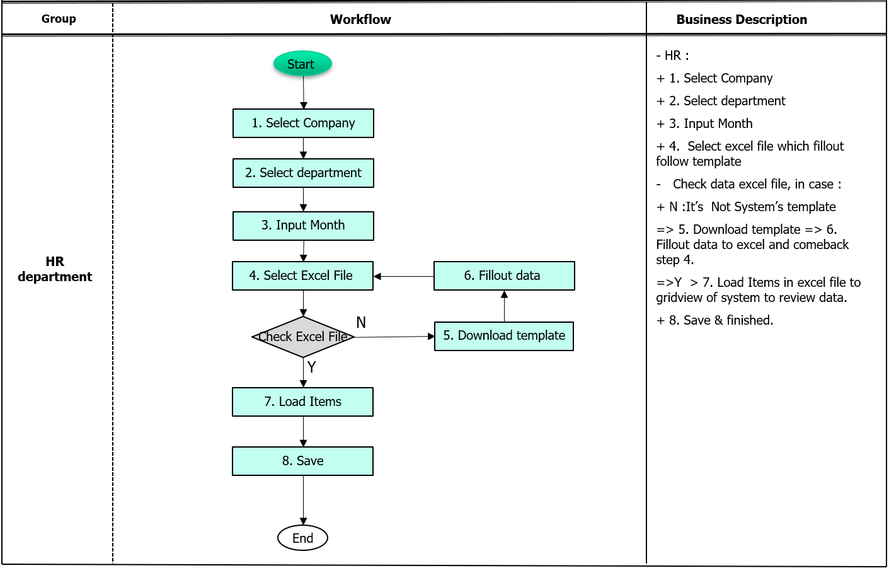

START

Salary Item

Upload?
Upload Payment

Yes
No

Review

END

Allowance
<== BACK

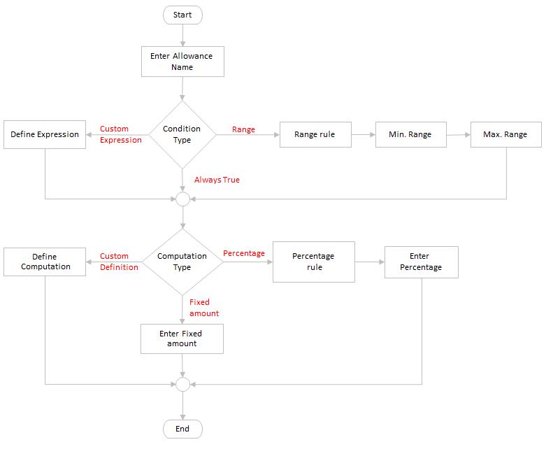
Salary/ Bonus | Allowance | Configuration allowance
 |  |  | Enter Allowance name
 |  |  | Select allowance condition type 1. Always True 2. Range 3. Custom Expression
 |  |  | Select allowance Computation type 1. Fixed amount 2. Percentage 3. Custom Definition
 |  |  | User can select whether the allowance is active or not

 |  |  | Manament allowance for employee for position, department,….??
 |  |  | Will be input allowance data on contract or separate form???
 |  |  | Incase 2 period allowance on one contract???

EVALUATION
- Evaluation for New Contract, Traning Course,probation contract ....
- setup field with configuration
- Authorization function, data view.
- Management result for next step
START

Evaluation policy

- Type: New contract, training,...
Evaluation type

Group define
- Class define (worker, line leader, staff, manager,...)

Evaluation item
- List item for each evaluation type and group.
Basic grade

- Mapping item with group using and list grade
Item grade mapping

Organization

- Scale for grading by group, department,.....
- Group, deptcode, period, percent increase, final grade, scope point,..
Final grade mapping

Employee

Evaluation configuration
Evaluation Calculator

New contract
Update skill
No
Approval
Yes

Report
END

Item
<== BACK

No
Yes
Prepare Information for Evaluation Item
Group Define
Edit Information of Item (Edit Item)
Exist?
Save Evaluation Item's Informations
(Save Item)
Enter Informations for Item (Add New Item)
Select Item Management Function
Select Item Group to Assign
Exist?
Yes
No

Group Define
<== BACK

START

Evaluation policy
No
Yes
Prepare Information for Evaluation Group Definition
Edit Information of Group (Edit Group)
Exist?
Save Evaluation
Item's Informations
(Save Item)
Enter Informations for Group (Add New Group)
Select Group
Management Function

Input Group Evaluation

Exists

No
Yes

Evaluation item

Review

END

Grade configuration
<== BACK
START

Evaluation policy
Evaluation Item

Basic grade

Exists

No
Yes

Grade mapping

Final Grade mapping
Configuration

Review

END

Evaluation configuration
<== BACK
START

Organization
Evaluation Type
Evaluation Item
9,491,475
35,092,400
11,724,500
Source link data
11,270,416

- Descripline, Time sheet, absent,...
Item grade mapping
- Result of item when compare with item grade mapping
Destination link data

Setup formular

Authorization?
Authorization form
- Review, calculator, submit, approval,...

Yes

No
Report?
Yes

Review
No
Report

END

SEVERANCE PAY
Severance Pay | Items | List of Item using
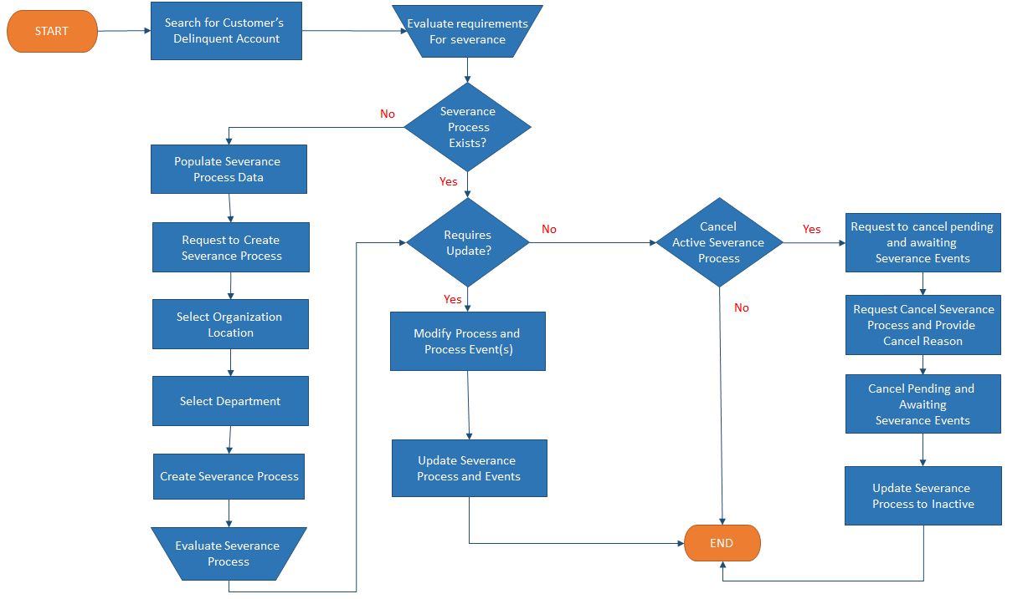

 |  |  | Severance pay amount is based on the following factors
 |  |  | Length of employee's tenure with employer
 |  |  | Reason for termination (Employer downsizing, employee conduct or layoff)
 |  |  | Employers financial solvency

 |  |  | Severance pay policy should include
 |  |  | Situations when the policy will be applicable (downsize, layoff, changes in org. structure)
 |  |  | Situations when severance benefits are not applicable (misconduct)
 |  |  | Conditions when Periodic severance payment ends
 |  |  | Require employee to sign a waiver
 |  |  | Purpose of Severance pay benefits
 |  |  | Org reserves the right to alter or terminate the policy at its discretion

 |  |  | Severance pay items
 |  |  | 1. Benefit amounts
 |  |  | 2. Insurance benefits
 |  |  | 3. Unemployment benefits
 |  |  | 4. Outplacement services
 |  |  | 5. Recommendation letters
 |  |  | 6. Unused Vacation and Sick leave benefits
 |  |  | 7. Equipment Benefits

 |  |  | Coverage and eligibility
 |  |  | Sign waiver to receive severance benefits
 |  |  | Limiting coverage when terminated due to economic reasons

Severance Items

Condition configuration
Prepare for Condition Configuration
Exist?
Select Configuration Function
If Condition Configuration is not Existing. It means the first configuration for Condition Severance Pay
Select Company or Organization
Create Configuration
(Add New)
Edit Configuration
(Edit Form)
Edit Configuration when The Severance Pay Policy changs by Law.
Create Configuration when The first setup system.
Choise Company or Organization depend on location and countries policy.
Input Configuration Informations
Save Configuration Informations

No

Yes

INSURANCE
Insurance
From Changes of Employee Information
Save Registered Insurance Inforamtions
(Update/Save Action)
Adjust Registered Insurance Informations
(Register Form/ Edit Action)
Export Registered Informations
Search Employee's Insurance Information Registration
(Search Form)
Register Employee's Insurance Information
(Register Form/ New Action)
Yes
No
Report data to support uploading them into Insurance System of supplier ( Step registerring Insurance from supplier.
Anny cases:
+ When Company has new Employee, to register New.
+ When Employee's information has changes, to adjust information.
Assign Ratios of Insurance Object:[Ratio of IS, HS,US]
(Register Form/ Edit Action)
Yes
Register Insurance Information
SI : Social Insurance
HI : Healthy Insurance
UI: Unemployment Insurance
 | - List of suggest increase, descrease employee with insurance (user choose date to update and data will be link to report)
 | - Insurance Payment (Template report will be import on Insurance system). Inherit salary calculator
 | - Collect all of Insurance report need and apply on HRM

Exist?

Insurance Ratios Configuration
Exist?

Report
(Monthly Report)

Social_Insurance
Insurance | Social insurance | Number, increase, decrease,……
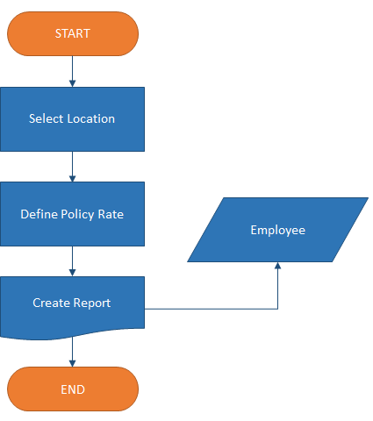
 |  |  | 1. Select the country to define Social Insurance
 |  |  | 2. Enter the policy percentage amount
 |  |  | 3. Create report from Employee's database (Show number of Employees paid for Social Insurance, No. of new employees added this month, No. of old employees rejected this month)

